Site_Averages_corals_X
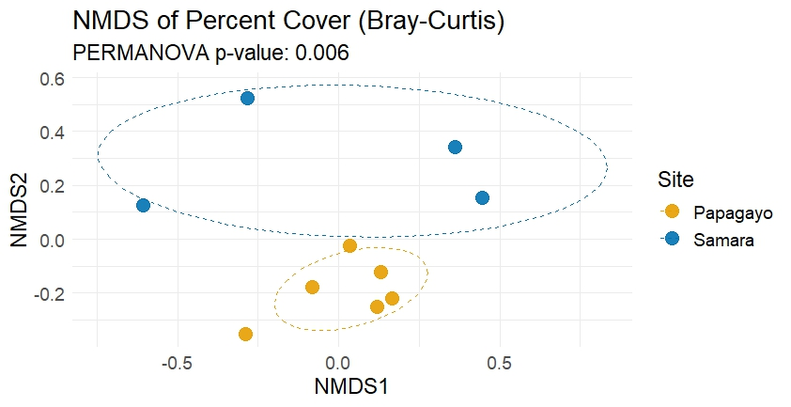
Site | Pavona gigantea | Pavona varians | Pocillopora effusa | Porites lobata | Psammocora stellata | Ascidian (colonial) | Ascidian (solitary) | Diadema sp | Soft Coral | Sponge | Gravel | Sand | Dead coral | Rock | Unknown Turf | Unknown | Caulerpa spp. | Galaxaura | Jania | Padina | Pink CCA | Red CCA | Turf algae | White CCA
Papagayo1 | 0 | 0 | 10.755555556 | 0.13333333333 | 0 | 0 | 0.13333333333 | 2.6666666667 | 0.22222222222 | 0.66666666667 | 0.71111111111 | 0.26666666667 | 0 | 0.13333333333 | 1.6888888889 | 0 | 0 | 0.17777777778 | 0.088888888889 | 0 | 36.622222222 | 4.2666666667 | 35.911111111 | 5.5555555556
Papagayo2 | 4.6222222222 | 2.1777777778 | 4.9777777778 | 2.5777777778 | 0.4 | 0 | 0.044444444444 | 1.5111111111 | 0.044444444444 | 0 | 2.2666666667 | 2.8888888889 | 0 | 0.22222222222 | 1.5111111111 | 0.088888888889 | 0.088888888889 | 0.088888888889 | 0 | 0 | 20.533333333 | 1.0222222222 | 53.955555556 | 0.97777777778
Papagayo3 | 1.8666666667 | 0 | 12.311111111 | 1.2444444444 | 0.17777777778 | 0 | 0 | 3.7777777778 | 0 | 0.13333333333 | 1.0222222222 | 0.66666666667 | 0 | 0.31111111111 | 1.2 | 0.088888888889 | 2.3555555556 | 0.35555555556 | 0 | 0 | 22.088888889 | 3.1111111111 | 47.022222222 | 2.2666666667
Papagayo4 | 0.31111111111 | 0 | 16.711111111 | 2.4888888889 | 0.17777777778 | 0 | 0.044444444444 | 2.8888888889 | 0 | 0 | 0.17777777778 | 0.62222222222 | 0 | 0.044444444444 | 2.0444444444 | 0 | 0.13333333333 | 0 | 0 | 2.3555555556 | 12.533333333 | 1.2888888889 | 56.177777778 | 2
Papagayo5 | 2.6666666667 | 0 | 5.8222222222 | 0.44444444444 | 0 | 0 | 0.13333333333 | 0.75555555556 | 0.13333333333 | 0 | 0.53333333333 | 0.62222222222 | 0 | 0 | 2 | 0 | 0.044444444444 | 0.31111111111 | 0 | 0 | 19.822222222 | 3.4222222222 | 61.866666667 | 1.4222222222
Papagayo6 | 0.8 | 0 | 13.511111111 | 0.48888888889 | 0 | 0.088888888889 | 0.13333333333 | 0.84444444444 | 0.088888888889 | 0 | 1.2 | 0.88888888889 | 0 | 0 | 0.66666666667 | 0 | 2.6666666667 | 0.22222222222 | 0 | 0 | 10.133333333 | 3.3777777778 | 60.177777778 | 4.7111111111
Samara1 | 0 | 0 | 0.66666666667 | 0.088888888889 | 0.66666666667 | 0 | 0 | 0.044444444444 | 0.088888888889 | 0 | 1.5555555556 | 0.31111111111 | 0.044444444444 | 0.8 | 2.0888888889 | 0 | 5.2888888889 | 2.1777777778 | 0 | 0 | 2.6222222222 | 1.2888888889 | 74 | 8.2666666667
Samara2 | 0 | 0 | 0.13333333333 | 20.4 | 0 | 0 | 0 | 0.17777777778 | 0 | 0.044444444444 | 1.2 | 6.8 | 0 | 0.57777777778 | 1.0666666667 | 0 | 0 | 0.26666666667 | 0 | 0 | 2.0888888889 | 0.26666666667 | 63.422222222 | 3.5555555556
Samara3 | 0.22222222222 | 0 | 2.9777777778 | 2.2666666667 | 2.3111111111 | 0 | 0 | 0.044444444444 | 0.088888888889 | 0 | 0.71111111111 | 0.66666666667 | 0 | 0.088888888889 | 1.2 | 0 | 2.7555555556 | 16.622222222 | 0 | 0 | 1.5111111111 | 0.48888888889 | 64.755555556 | 3.2888888889
Samara4 | 0 | 0 | 0 | 1.5666666667 | 0 | 0.25 | 0.25833333333 | 0 | 5.3833333333 | 0.26666666667 | 0.26666666667 | 1.8166666667 | 0 | 0.13333333333 | 2.4666666667 | 0 | 0 | 1.1333333333 | 0 | 0 | 7.4333333333 | 3.9 | 72.566666667 | 2.5583333333

Site | Pavona spp. | Pocillopora effusa | Porites lobata | Psammocora stellata | Substrate | Sea grass | Macroalgae | CCA | Filter feeders | Diadema sp | Soft Coral |  |  | Site | Pavona spp. | Pocillopora effusa | Porites lobata | Psammocora stellata | Substrate | Sea grass | Macroalgae | CCA | Filter feeders | Diadema sp | Soft Coral | Site | Corals | Macroalgae | CCA | Sea grass | Substrate | Filter feeders | Diadema sp
Papagayo1 (10m) | 0 | 10.755555556 | 0.13333333333 | 0 | 1.1111111111 | 0 | 37.866666667 | 46.444444444 | 0.8 | 2.6666666667 | 0.22222222222 |  |  | Papagayo (UW) | 2.0740740741 | 10.681481481 | 1.2296296296 | 0.12592592593 | 2.0962962963 | 0.88148148148 | 54.637037037 | 25.859259259 | 0.25925925926 | 2.0740740741 | 0.081481481481 | Papagayo (UW) | 14.192592593 | 54.637037037 | 25.859259259 | 0.88148148148 | 2.0962962963 | 0.25925925926 | 2.0740740741
Papagayo2 (10m) | 6.8 | 4.9777777778 | 2.5777777778 | 0.4 | 5.3777777778 | 0.088888888889 | 55.555555556 | 22.533333333 | 0.13333333333 | 1.5111111111 | 0.044444444444 |  |  | Samara (NUW) | 0.055555555556 | 0.94444444444 | 6.0805555556 | 0.74444444444 | 3.7430555556 | 2.0111111111 | 75.441666667 | 9.3173611111 | 0.20486111111 | 0.066666666667 | 1.3902777778 | Samara (NUW) | 9.2152777778 | 75.441666667 | 9.3173611111 | 2.0111111111 | 3.7430555556 | 0.20486111111 | 0.066666666667
Papagayo3 (10m) | 1.8666666667 | 12.311111111 | 1.2444444444 | 0.17777777778 | 2 | 2.3555555556 | 48.577777778 | 27.466666667 | 0.22222222222 | 3.7777777778 | 0
Papagayo4 (5m) | 0.31111111111 | 16.711111111 | 2.4888888889 | 0.17777777778 | 0.84444444444 | 0.13333333333 | 60.577777778 | 15.822222222 | 0.044444444444 | 2.8888888889 | 0
Papagayo5 (10m) | 2.6666666667 | 5.8222222222 | 0.44444444444 | 0 | 1.1555555556 | 0.044444444444 | 64.177777778 | 24.666666667 | 0.13333333333 | 0.75555555556 | 0.13333333333
Papagayo6 (5m) | 0.8 | 13.511111111 | 0.48888888889 | 0 | 2.0888888889 | 2.6666666667 | 61.066666667 | 18.222222222 | 0.22222222222 | 0.84444444444 | 0.088888888889
Samara1 (5m) | 0 | 0.66666666667 | 0.088888888889 | 0.66666666667 | 2.7111111111 | 5.2888888889 | 78.266666667 | 12.177777778 | 0 | 0.044444444444 | 0.088888888889
Samara2 (5m) | 0 | 0.13333333333 | 20.4 | 0 | 8.5777777778 | 0 | 64.755555556 | 5.9111111111 | 0.044444444444 | 0.17777777778 | 0
Samara3 (5m) | 0.22222222222 | 2.9777777778 | 2.2666666667 | 2.3111111111 | 1.4666666667 | 2.7555555556 | 82.577777778 | 5.2888888889 | 0 | 0.044444444444 | 0.088888888889
Samara4 (15m) | 0 | 0 | 1.5666666667 | 0 | 2.2166666667 | 0 | 76.166666667 | 13.891666667 | 0.775 | 0 | 5.3833333333
Percent Cover of 7 functional groups in Samara and Papagayo
 |  |  |  |  |  |  |  |  |  |  |  |  |  |  |  |  |  |  |  |  |  |  |  |  |  |  |  |  | name | lat | lon | Deep
Percent Cover of organisms in Samara and Papagayo
 |  |  |  |  |  |  |  |  |  |  |  |  |  |  |  |  |  |  |  |  |  |  |  |  |  |  |  |  | Samara-1 | 9.87222 | -85.531544 | 5
Percent Cover of organisms in differents sites
 |  |  |  |  |  |  |  |  |  |  |  |  |  |  |  |  |  |  |  |  |  |  |  |  |  |  |  |  | Samara-2 | 9.864684 | -85.51266 | 5
 |  |  |  |  |  |  |  |  |  |  |  |  |  |  |  |  |  |  |  |  |  |  |  |  |  |  |  |  | Samara-3 | 9.864811 | -85.496652 | 5
 |  |  |  |  |  |  |  |  |  |  |  |  |  |  |  |  |  |  |  |  |  |  |  |  |  |  |  |  | Samara-4 | 9.87222 | -85.531544 | 15
 |  |  |  |  |  |  |  |  |  |  |  |  |  |  |  |  |  |  |  |  |  |  |  |  |  |  |  |  | Papagayo-1 | 10.608739 | -85.703523 | 10
 |  |  |  |  |  |  |  |  |  |  |  |  |  |  |  |  |  |  |  |  |  |  |  |  |  |  |  |  | Papagayo-2 | 10.57861111 | -85.71222222 | 10
 |  |  |  |  |  |  |  |  |  |  |  |  |  |  |  |  |  |  |  |  |  |  |  |  |  |  |  |  | Papagayo-3 | 10.641943 | -85.696242 | 10
 |  |  |  |  |  |  |  |  |  |  |  |  |  |  |  |  |  |  |  |  |  |  |  |  |  |  |  |  | Papagayo-4 | 10.654966 | -85.672522 | 5
 |  |  |  |  |  |  |  |  |  |  |  |  |  |  |  |  |  |  |  |  |  |  |  |  |  |  |  |  | Papagayo-5 | 10.538276 | -85.785373 | 10
 |  |  |  |  |  |  |  |  |  |  |  |  |  |  |  |  |  |  |  |  |  |  |  |  |  |  |  |  | Papagayo-6 | 10.543297 | -85.774546 | 5

